D1
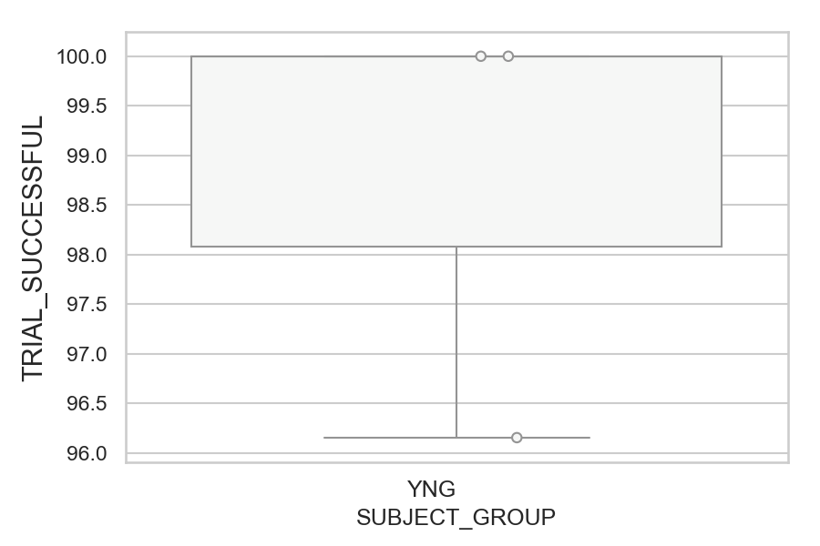
Total number of successful trials (correct or corrected saccades made) (percentage)
SUBJECT_NAME | SUBJECT_GROUP | NUMBER_OF_SUCCESSFUL_TRIALS | TOTAL_NUMBER_OF_TRIALS | SUBJECT_AGE | VALUE
AW001CG | YNG | 52 | 52 | 19 | 100
AW002AF | YNG | 52 | 52 | 19 | 100
MP1 | YNG | 50 | 52 |  | 96.153846154

D1 (types)
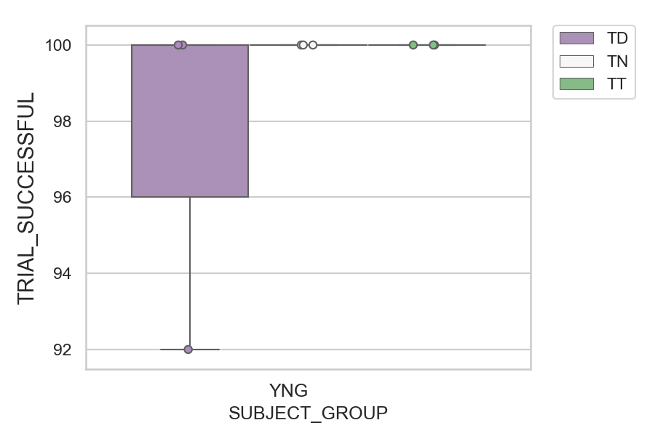
Total number of successful trials (correct or corrected saccades made) (percentage)
SUBJECT_NAME | SUBJECT_GROUP | CONDITION_APPEARANCE | NUMBER_OF_SUCCESSFUL_TRIALS | TOTAL_NUMBER_OF_TRIALS | SUBJECT_AGE | VALUE
AW001CG | YNG | TD | 25 | 25 | 19 | 100
AW001CG | YNG | TN | 14 | 14 | 19 | 100
AW001CG | YNG | TT | 13 | 13 | 19 | 100
AW002AF | YNG | TD | 25 | 25 | 19 | 100
AW002AF | YNG | TN | 14 | 14 | 19 | 100
AW002AF | YNG | TT | 13 | 13 | 19 | 100
MP1 | YNG | TN | 14 | 14 |  | 100
MP1 | YNG | TT | 13 | 13 |  | 100
MP1 | YNG | TD | 23 | 25 |  | 92

D2
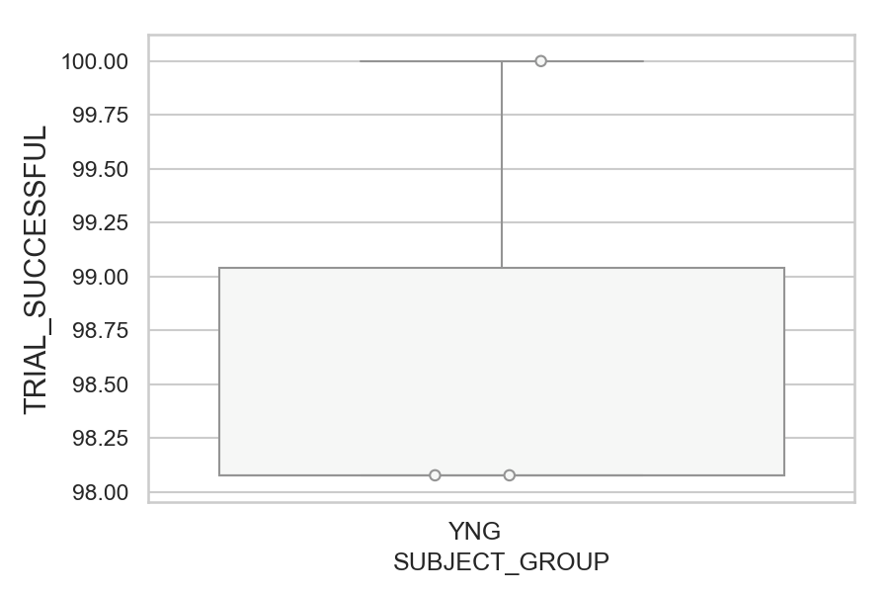
Total number of successful trials (correct or corrected saccades made) (percentage)
SUBJECT_NAME | SUBJECT_GROUP | NUMBER_OF_SUCCESSFUL_TRIALS | TOTAL_NUMBER_OF_TRIALS | SUBJECT_AGE | VALUE
MP1 | YNG | 52 | 52 |  | 100
AW001CG | YNG | 51 | 52 | 19 | 98.076923077
AW002AF | YNG | 51 | 52 | 19 | 98.076923077

D2 (types)
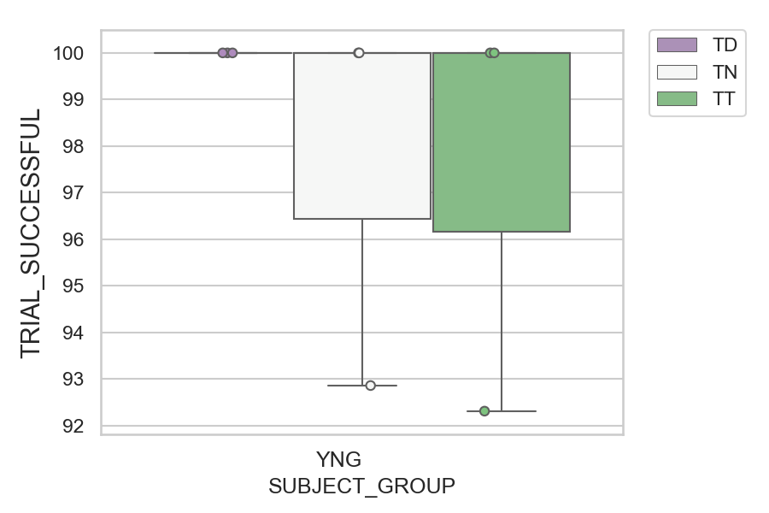
Total number of successful trials (correct or corrected saccades made) (percentage)
SUBJECT_NAME | SUBJECT_GROUP | CONDITION_APPEARANCE | NUMBER_OF_SUCCESSFUL_TRIALS | TOTAL_NUMBER_OF_TRIALS | SUBJECT_AGE | VALUE
AW001CG | YNG | TD | 25 | 25 | 19 | 100
AW001CG | YNG | TN | 14 | 14 | 19 | 100
AW002AF | YNG | TD | 25 | 25 | 19 | 100
AW002AF | YNG | TT | 13 | 13 | 19 | 100
MP1 | YNG | TD | 25 | 25 |  | 100
MP1 | YNG | TN | 14 | 14 |  | 100
MP1 | YNG | TT | 13 | 13 |  | 100
AW002AF | YNG | TN | 13 | 14 | 19 | 92.857142857
AW001CG | YNG | TT | 12 | 13 | 19 | 92.307692308

D2 (no D1 failed)
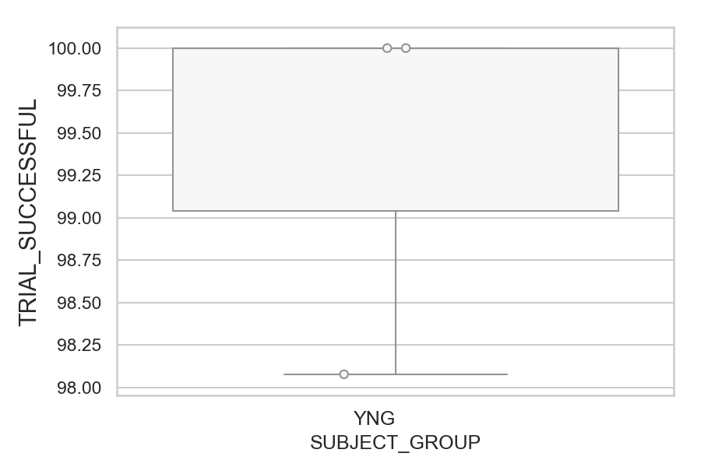
Total number of successful trials (correct or corrected saccades made) (percentage)
SUBJECT_NAME | SUBJECT_GROUP | NUMBER_OF_SUCCESSFUL_TRIALS | TOTAL_NUMBER_OF_TRIALS | SUBJECT_AGE | VALUE
AW001CG | YNG | 51 | 51 | 19 | 100
MP1 | YNG | 50 | 50 |  | 100
AW002AF | YNG | 51 | 52 | 19 | 98.076923077

D2 (no D1 failed) (types)
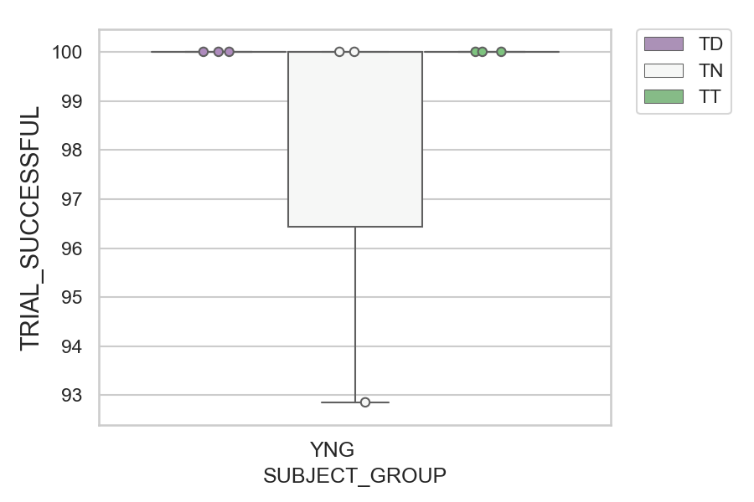
Total number of successful trials (correct or corrected saccades made) (percentage)
SUBJECT_NAME | SUBJECT_GROUP | CONDITION_APPEARANCE | NUMBER_OF_SUCCESSFUL_TRIALS | TOTAL_NUMBER_OF_TRIALS | SUBJECT_AGE | VALUE
AW001CG | YNG | TD | 25 | 25 | 19 | 100
AW001CG | YNG | TN | 14 | 14 | 19 | 100
AW001CG | YNG | TT | 12 | 12 | 19 | 100
AW002AF | YNG | TD | 25 | 25 | 19 | 100
AW002AF | YNG | TT | 13 | 13 | 19 | 100
MP1 | YNG | TD | 23 | 23 |  | 100
MP1 | YNG | TN | 14 | 14 |  | 100
MP1 | YNG | TT | 13 | 13 |  | 100
AW002AF | YNG | TN | 13 | 14 | 19 | 92.857142857

